Sheet1
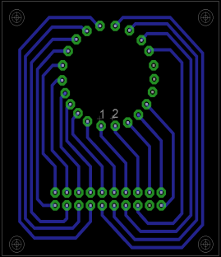
Conector adaptador VFD
vista superior
 | G5 | G8 | G7 | G6 | G4 | G2 | fil+ | dp | d | c
 | 17 | 18 | 19 | 20 | 21 | 22 | 1 | 2 | 3 | 4 |  | a | b | c | d | e | f | g | dp | s9 | s8 | s7 | s6 | s5 | s4 | s3 | s2 | s1
 | 16 | 15 | 14 | 13 | 12 | 11 | 10 | 9 | X | 5 | conn VFD | 12 | 10 | 4 | 3 | 5 | 11 | 9 | 2 | 15 | 22 | 16 | 21 | 17 | 20 | 19 | 18 | 14
 | G3 | G1 | G9 | fil- | a | f | b | g | - | e | conn VFD | 12 | 10 | 4 | 3 | 5 | 11 | 9 | 2 | 14 | 18 | 19 | 20 | 17 | 21 | 16 | 22 | 15
 |  |  |  |  |  |  |  |  |  |  | header | 9 | 7 | 4 | 3 | 5 | 8 | 6 | 2 | 11 | 15 | 16 | 17 | 14 | 18 | 13 | 19 | 12
 |  |  |  |  |  |  |  |  |  |  | conn MAX6921 | 6 | 7 | 8 | 9 | 10 | 11 | 12 | 17 | 18 | 19 | 20 | 21 | 22 | 23 | 24 | 25 | 26

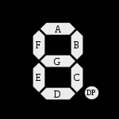

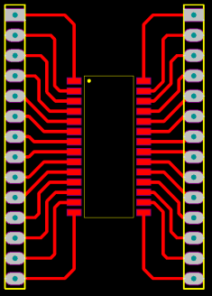
Conector adaptador MAX6921
vista superior

 | VBB | 1 | 28 | VCC
 | DOUT | 2 | 27 | DIN
 | OUT19 | 3 | 26 | OUT0
 | OUT18 | 4 | 25 | OUT1
 | OUT17 | 5 | 24 | OUT2
 | OUT16 | 6 | 23 | OUT3
 | OUT15 | 7 | 22 | OUT4
 | OUT14 | 8 | 21 | OUT5
 | OUT13 | 9 | 20 | OUT6
 | OUT12 | 10 | 19 | OUT7
 | OUT11 | 11 | 18 | OUT8
 | OUT10 | 12 | 17 | OUT9
 | BLANK | 13 | 16 | LOAD
 | GND | 14 | 15 | CLK

